Info
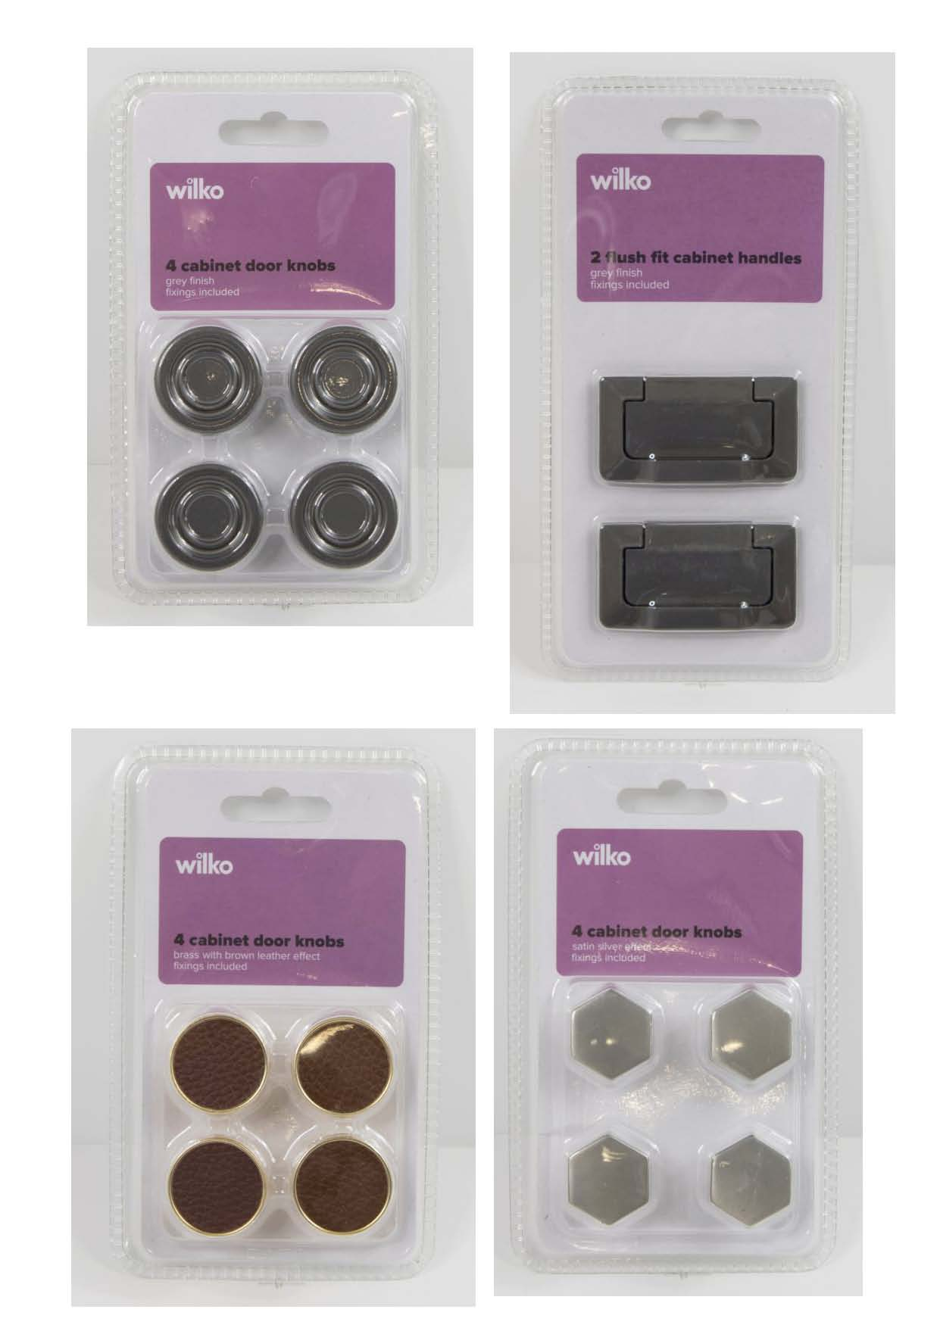
Picture: | Supplier product ref: | Product Name: | Dimension L x W x H | Stock Qty
 | U02331SB | Global Leather TBar Black/Chrome 2 | 12x2x2.5cm | 3552
 | U02331BB | Global Leather TBar Brown/Gold 2 | 12x2x2.5cm | 2856
 | U02331SBK | Global Leather Knob Black/Chrome 4 | 3x3x3cm | 936
 | U02331BBK | Global Leather Knob Brown / Gold 4 | 3x3x3cm | 768
 | S063B | Global Flush Handle Matt Black2 | 6.5x7.4x1cm | 4368
 | S063G | Global Flush Handle Grey 2 | 6.5x7.4x1cm | 4200
 | S013C | EP Knob Chrome set 4 | 5x2.9x2.9cm | 1512
 | S013G | EP Knob Gold set 4 | 5x2.9x2.9cm | 744
 | S013C96 | EP T Handle Chrome set 2 | 12.2x1x3.1cm | 1464
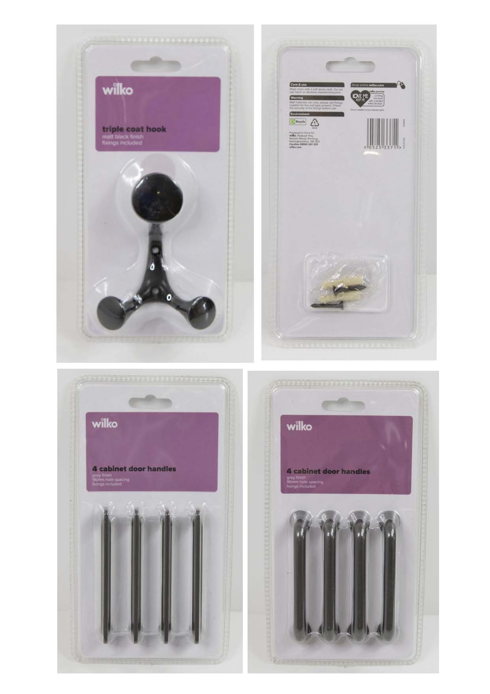
 | S013G96 | EP T Handle Gold set 2 | 12.2x1x3.1cm | 720
 | S060B | Luxe Knob Black set 4 | 2.5x2.5x3cm | 1512
 | S060G | Luxe Knob Brush Brass set 4 | 2.5x2.5x3cm | 2400
 | X01806G | Luxe TBar Pinched Handle Grey 4 | 11.2x0.75x2.9cm | 1560
 | X01806B | Luxe T Bar Pinched Handle Brass 4 | 11.2x0.75x2.9cm | 1584
 | A05982B | Scandi Hexagonal Knob Black 4 | 3x2.5x2.4cm | 1728
 | A05982G | Scandi Hexagonal Knob Gold 4 | 3x2.5x2.4cm | 912
 | A05982S | Scandi Hexagonal Knob Satin 4 | 3x2.5x2.4cm | 1776
 | A05982C | Scandi Hexagonal Knob Chrome 4 | 3x2.5x2.4cm | 960
 | S093B | Scandi Round Bar Handle Black 2 | 11x2x2.3cm | 720
 | S093G | Scandi Round Bar Handle Gold 2 | 11x2x2.3cm | 738
 | S093C | Scandi Round Bar Handle Chrome 2 | 11x2x2.3cm | 720
 | A05877G | Country Door Pull Grey 2 | 8.5x3.1x1.8cm | 1272
 | X01803G | Country Door T Bar 4 | 11.5x2.8x3.2cm | 1272
 | X01798G | Country Door Knob 4 | 3.4x3.4x2.4cm | 1344
 | QJ1020KL | Global Display Wall Shelf 1 | 12x20x30cm | 1240
 | HOOK71B | Scandi Wall Hook Matt Black 1 | 8.6x2.4x4.6cm | 1200
 | HOOK71C | Scandi Wall Hook Chrome 1 | 8.6x2.4x4.6cm | 1800
 | HOOK71G | Scandi Wall Hook Gold 1 | 8.6x2.4x4.6cm | 1800
 | HOOK76B | Wlko Fun Brights Triple Hook Black 1 | 8.7x11.5x4.5cm | 1104
 | HOOK76S | Wlko Fun Brights Triple Hook Satin 1 | 8.7x11.5x4.5cm | 1032

 |  |  |  | 47794

